Exercicio1
 | 2^4 | 2^3 | 2^2 | 2^1 | 2^0
 | A | B | C | D | E | S1 | S2 | S
S = S1 + S2 | 0 | 0 | 0 | 0 | 0 | 0 | 0 | 0
S1 = (A * B * C) | 0 | 0 | 0 | 0 | 1 | 0 | 0 | 0
S2 = (D * E) | 0 | 0 | 0 | 1 | 0 | 0 | 0 | 0
S = (A * B * C) + (D * E) | 0 | 0 | 0 | 1 | 1 | 0 | 1 | 1
 | 0 | 0 | 1 | 0 | 0 | 0 | 0 | 0
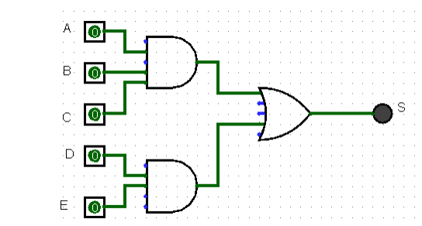
 | 0 | 0 | 1 | 0 | 1 | 0 | 0 | 0
 | 0 | 0 | 1 | 1 | 0 | 0 | 0 | 0
 | 0 | 1 | 1 | 1 | 1 | 0 | 1 | 1
 | 0 | 1 | 0 | 0 | 0 | 0 | 0 | 0
 | 0 | 1 | 0 | 0 | 1 | 0 | 0 | 0
 | 0 | 1 | 0 | 1 | 0 | 0 | 0 | 0
 | 0 | 1 | 0 | 1 | 1 | 0 | 1 | 1
 | 0 | 1 | 1 | 0 | 0 | 0 | 0 | 0
 | 0 | 1 | 1 | 0 | 1 | 0 | 0 | 0
 | 0 | 1 | 1 | 1 | 0 | 0 | 0 | 0
 | 0 | 1 | 1 | 1 | 1 | 0 | 1 | 1
 | 1 | 0 | 0 | 0 | 0 | 0 | 0 | 0
 | 1 | 0 | 0 | 0 | 1 | 0 | 0 | 0
 | 1 | 0 | 0 | 1 | 0 | 0 | 0 | 0
 | 1 | 0 | 0 | 1 | 1 | 0 | 1 | 1
 | 1 | 0 | 1 | 0 | 0 | 0 | 0 | 0
 | 1 | 0 | 1 | 0 | 1 | 0 | 0 | 0
 | 1 | 0 | 1 | 1 | 0 | 0 | 0 | 0
 | 1 | 0 | 1 | 1 | 1 | 0 | 1 | 1
 | 1 | 1 | 0 | 0 | 0 | 0 | 0 | 0
 | 1 | 1 | 0 | 0 | 1 | 0 | 0 | 0
 | 1 | 1 | 0 | 1 | 0 | 0 | 0 | 0
 | 1 | 1 | 0 | 1 | 1 | 0 | 1 | 1
 | 1 | 1 | 1 | 0 | 0 | 1 | 0 | 1
 | 1 | 1 | 1 | 0 | 1 | 1 | 0 | 1
 | 1 | 1 | 1 | 1 | 0 | 1 | 0 | 1
 | 1 | 1 | 1 | 1 | 1 | 1 | 1 | 1

Exercicio2
 | 32 | 16 | 8 | 4 | 2 | 1
 | 2^5 | 2^4 | 2^3 | 2^2 | 2^1 | 2^0
 | A | B | C | D | E | F | S
S = (AB) + (CD) + (EF) | 0 | 0 | 0 | 0 | 0 | 0 | 0
S = S1 + S2 + S3 | 0 | 0 | 0 | 0 | 0 | 1 | 0
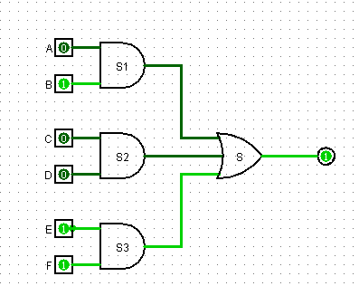
 | 0 | 0 | 0 | 0 | 1 | 0 | 0
 | 0 | 0 | 0 | 0 | 1 | 1 | 1
 | 0 | 0 | 0 | 1 | 0 | 0 | 0
 | 0 | 0 | 0 | 1 | 0 | 1 | 0
 | 0 | 0 | 0 | 1 | 1 | 0 | 0
 | 0 | 0 | 0 | 1 | 1 | 1 | 1
 | 0 | 0 | 1 | 0 | 0 | 0 | 0
 | 0 | 0 | 1 | 0 | 0 | 1 | 0
 | 0 | 0 | 1 | 0 | 1 | 0 | 0
 | 0 | 0 | 1 | 0 | 1 | 1 | 1
 | 0 | 0 | 1 | 1 | 0 | 0 | 1
 | 0 | 0 | 1 | 1 | 0 | 1 | 1
 | 0 | 0 | 1 | 1 | 1 | 0 | 1
 | 0 | 0 | 1 | 1 | 1 | 1 | 2
 | 0 | 1 | 0 | 0 | 0 | 0 | 0
 | 0 | 1 | 0 | 0 | 0 | 1 | 0
 | 0 | 1 | 0 | 0 | 1 | 0 | 0
 | 0 | 1 | 0 | 0 | 1 | 1 | 1
 | 0 | 1 | 0 | 1 | 0 | 0 | 0
 | 0 | 1 | 0 | 1 | 0 | 1 | 0
 | 0 | 1 | 0 | 1 | 1 | 0 | 0
 | 0 | 1 | 0 | 1 | 1 | 1 | 1
 | 0 | 1 | 1 | 0 | 0 | 0 | 0
 | 0 | 1 | 1 | 0 | 0 | 1 | 0
 | 0 | 1 | 1 | 0 | 1 | 0 | 0
 | 0 | 1 | 1 | 0 | 1 | 1 | 1
 | 0 | 1 | 1 | 1 | 0 | 0 | 1
 | 0 | 1 | 1 | 1 | 0 | 1 | 1
 | 0 | 1 | 1 | 1 | 1 | 0 | 1
 | 0 | 1 | 1 | 1 | 1 | 1 | 2
 | 1 | 0 | 0 | 0 | 0 | 0 | 0
 | 1 | 0 | 0 | 0 | 0 | 1 | 0
 | 1 | 0 | 0 | 0 | 1 | 0 | 0
 | 1 | 0 | 0 | 0 | 1 | 1 | 1
 | 1 | 0 | 0 | 1 | 0 | 0 | 0
 | 1 | 0 | 0 | 1 | 0 | 1 | 0
 | 1 | 0 | 0 | 1 | 1 | 0 | 0
 | 1 | 0 | 0 | 1 | 1 | 1 | 1
 | 1 | 0 | 1 | 0 | 0 | 0 | 0
 | 1 | 0 | 1 | 0 | 0 | 1 | 0
 | 1 | 0 | 1 | 0 | 1 | 0 | 0
 | 1 | 0 | 1 | 0 | 1 | 1 | 1
 | 1 | 0 | 1 | 1 | 0 | 0 | 1
 | 1 | 0 | 1 | 1 | 0 | 1 | 1
 | 1 | 0 | 1 | 1 | 1 | 0 | 1
 | 1 | 0 | 1 | 1 | 1 | 1 | 2
 | 1 | 1 | 0 | 0 | 0 | 0 | 1
 | 1 | 1 | 0 | 0 | 0 | 1 | 1
 | 1 | 1 | 0 | 0 | 1 | 0 | 1
 | 1 | 1 | 0 | 0 | 1 | 1 | 2
 | 1 | 1 | 0 | 1 | 0 | 0 | 1
 | 1 | 1 | 0 | 1 | 0 | 1 | 1
 | 1 | 1 | 0 | 1 | 1 | 0 | 1
 | 1 | 1 | 0 | 1 | 1 | 1 | 2
 | 1 | 1 | 1 | 0 | 0 | 0 | 1
 | 1 | 1 | 1 | 0 | 0 | 1 | 1
 | 1 | 1 | 1 | 0 | 1 | 0 | 1
 | 1 | 1 | 1 | 0 | 1 | 1 | 2
 | 1 | 1 | 1 | 1 | 0 | 0 | 2
 | 1 | 1 | 1 | 1 | 0 | 1 | 2
 | 1 | 1 | 1 | 1 | 1 | 0 | 2
 | 1 | 1 | 1 | 1 | 1 | 1 | 3

Exercicio3
8 | 4 | 2 | 1
2^4 | 2^3 | 2^1 | 2^0
A | B | C | D | S
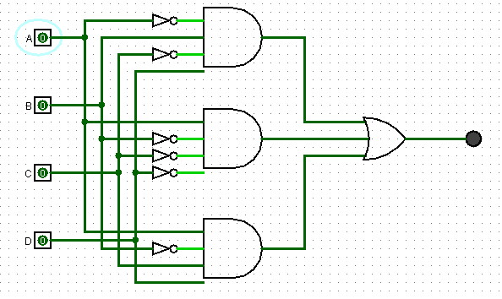
0 | 0 | 0 | 0 | 0
0 | 0 | 0 | 1 | 0
0 | 0 | 1 | 0 | 0
0 | 0 | 1 | 1 | 0
0 | 1 | 0 | 0 | 0
0 | 1 | 0 | 1 | 1 | !A | B | !C | D | => | (!A*B*!C*D)
0 | 1 | 1 | 0 | 0
0 | 1 | 1 | 1 | 0
1 | 0 | 0 | 0 | 1 | A | !B | !C | !D | => | (A*!B*!C*!D)
1 | 0 | 0 | 1 | 0
1 | 0 | 1 | 0 | 0
1 | 0 | 1 | 1 | 1 | A | !B | C | D | => | (A*!B*C*D)
1 | 1 | 0 | 0 | 0
1 | 1 | 0 | 1 | 0 |  |  |  | S = (!A*B*!C*D) + (A*!B*!C*!D) + (A*!B*C*D)
1 | 1 | 1 | 0 | 0
1 | 1 | 1 | 1 | 0

